Anaysis
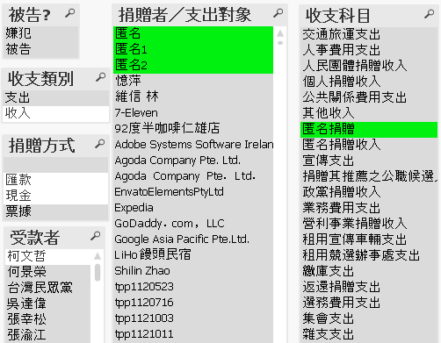
1. 限匿名現金捐贈者. | 2. By amount. | 3. By date.

